1. Title Page
[Project Name]

Project Name: Instacart Grocery Basket Analysis
Date:03.07.2023
Analyst Name: Kripa

Contents:
Population Flow
Consistency checks
Wrangling steps
Column derivations
Visualizations
Recommendations

2. Population Flow
 |  |  | Title page

Population flow

Exclusion flag
Condition: max_order < 5
Obervations to be removed: 1441548
Final total count of order_products_all: 30992664

Orders_products_combined
Orders_products_merged
Orders_products_all

Total:
Total:
Total:
32404889 | 32434212 | 32434212

1.) The grey boxes in the first row of the population flow represent the original data sets as they were when you downloaded them. In the Total fields you need to add the count of the rows when you imported the data set into Jupyter.
2.) The second row of boxes (coloured) represents the data sets after you manipulated them, e.g., removed missing values and duplicates. In the Total fields you need to add the count of the rows after conducting these operations. This offers a visual oveview of how the data flows throughout the data consistency checks.
3.) The third row, where also the arrows are coloured, represents the merges you performed between the datasets. In the Total fields you need to add the count of the rows in the merged datasets, so that you end up with the final dataset (in the red box). Keep in mind the final dataset should be without exclusions (based on the exclusion flag).

3. Consistency checks
 |  |  |  | Title page
Consistency checks

Dataset | Missing values | Missing values treatment | Duplicates
orders | 206209 | No action | NA
products | 16 | created df | 5
orders_products_prior | NA | NA | NA
customers | NA | NA | NA

4. Wrangling steps
 |  |  |  | Title page
Wrangling steps

Columns dropped | Columns renamed | Columns' type changed | Comment/Reason
eval_set |  |  | not needed
 | order_dow |  | renamed
 |  | order_id | numeric to str
 |  | user_id | numeric to str
 | Surnam |  | renamed
 | STATE |  | renamed
 |  | First Name | Found fixed dtype and changed
First Nmae |  |  | PII Data
Last Name |  |  | PII Data

5. Column derivations
 |  |  |  |  | Title page

Column derivations and aggregations

In this tab you should add tables below that the frequences of flags/label variables that you produced after deriving them. NB: don't do this for continuous variables, only for flags.
Dataset | New column | Column/s it was derived from | Conditions | Frequency
df_ords_prods_merged | price_range_loc | prices | price<=5 Low range product | 10136384
df_ords_prods_merged | price_range_loc | prices | prices>5&<=, Mid range product | 21890146
df_ords_prods_merged | price_range_loc | prices | prices>15, high range product | 417682

df_ords_prods_merged | busiest_day | order_dow | Busiest day | 6209632
df_ords_prods_merged | busiest_day | order_dow | least busy day | 3787193
df_ords_prods_merged | busiest_day | order_dow | regular day | 22437387

df_ords_prods_merged | busiest_days | order_dow | Busiest day | 12927461
df_ords_prods_merged | busiest_days | order_dow | least busy day | 7631289
df_ords_prods_merged | busiest_days | order_dow | regular busy | 11875462

df_ords_prods_merged | busiest_period_of_day | order_hour_of_day | most orders | 21137262
df_ords_prods_merged | busiest_period_of_day | order_hour_of_day | avg orders | 10006752
df_ords_prods_merged | busiest_period_of_day | order_hour_of_day | fewesst orders | 1290198

ords_prods_merge | loyalty_flag | max_order | >40, Loyal customer | 10293737
ords_prods_merge | loyalty_flag | max_order | <=40&>10, Regular customer | 15891077
ords_prods_merge | loyalty_flag | max_order | <=10, New customer | 6249398

ords_prods_merge | spending_flag | mean_price | >= 10, high spender | 635461
ords_prods_merge | spending_flag | mean_price | <10, low spwnder | 31798751

ords_prods_merge | frequency_flag | median_days | > 20, Non frequent customer | 3639669
ords_prods_merge | frequency_flag | median_days | >10&<=20, Regular customer | 7217134
ords_prods_merge | frequency_flag | median_days | <=10, Frequent customer | 21577409

df_ords_prod_cust | region | state | south | 10791885
df_ords_prod_cust | region | state | west | 8292913
df_ords_prod_cust | region | state | midwest | 7597325
df_ords_prod_cust | region | state | northeast | 5722736

df_ords_prod_cust | customer_activity | max_order | High | 30964564
df_ords_prod_cust | customer_activity | max_order | Low | 1440295

6. Visualizations
 |  |  | Title page

Visualisations

In this tab you should include all the visualtions from Exercises 4.9 and 4.10, alongside the questions from the project brief that they answer. Include any commentary on the relationship between different variables.




Histogram shows that during the day, peak hours of ordering is between 9-17. Before 9 am and After 17:00 shows less |  |  |  | Barchart shows Most of the customers are Regular customers

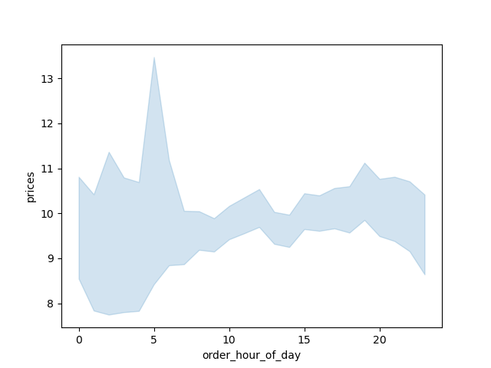
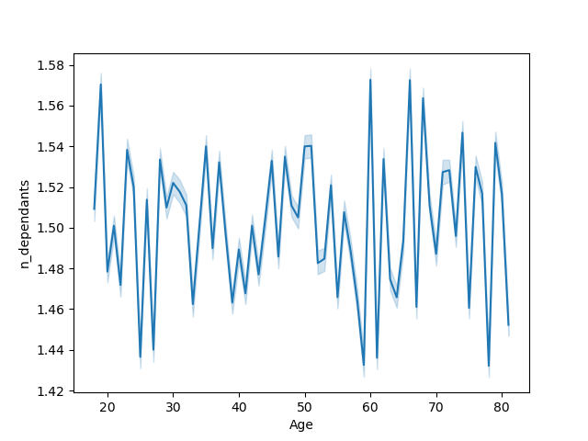

line chart shows the connection between price and hours of the day |  |  |  |  | Line chart shows there is no real relation between age and dependants

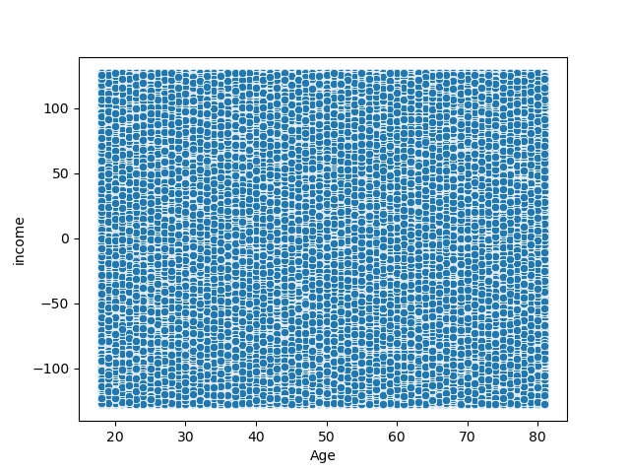

 | Scatterplot shows no relation

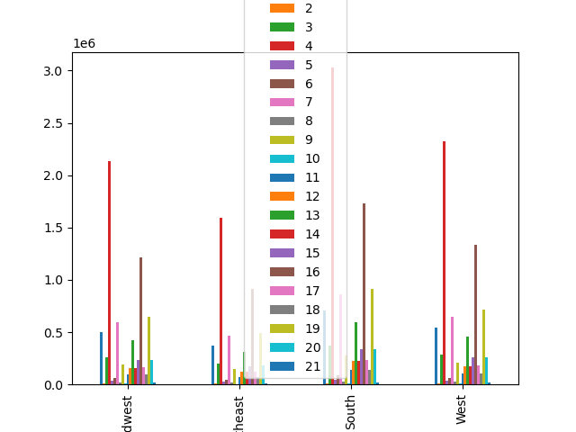

 |  | Bar Chart showimg the loyalty of the customer
 |  |  |  |  | Bar cgart which shows the regions and departments.

7. Recommendations
 |  |  |  | Title page

Recommendations

In this tab you should include any recommendations you would made to Instcart in terms of their marketing strategy based on the questions posed in the brief. Every key question has been covered in the Tasks of the Exercises - here you need to add an item - a visualisation or table/crosstable that is showing the answer in the data, acompanied by a comment from you. Please, list the questions below and add the answer underneath.

Question
Key Question 1 |  | What are the busiest hours of the day?

peak hours of ordering is between 9-17. Before 9 am and After 17:00 shows less.

Key Question 2 |  | particular times of the day when people spend the most money?

Graph shows mid-night/early moring is the time customers spend a lot

Key Question 3 |  |  | departments have the highest frequency of product orders?

 | Department 4 shows the highest in grah in all regions.

